inferences
DASHBOARD

This report covers the inferences of four different datas sets.
The first dataset shows the monthly sales over years globaly, the second shows the flipkart sales data on homer décor and furnishing products.
The third talks about a supermarket sales data in mandalay, china and the fourth talks about the sales covered by indian states over a year.

BASED ON GLOBAL DATA

 | 1. This data talks about the monthly sales from 1992 to 2021.
 | 2. We can see the linear trend of the plot going upwards which shows that the sales have been ncreades over time.
 | 3. we can see that there is a clear dip in the year 2020, which marks the global lockdown due to covid 19. Sales saw a drastic in that year.
 | 4. There is an immediate rise after the year 2020 recovering all the major losses of the year 2020.In fact the sales have shown to be the maximun in 2021.

Global sales
 | Total
Jan | 4254
Feb | 4342
Mar | 4330
Apr | 4359
May | 4331
Jun | 4401
Jul | 4368
Aug | 4372
Sep | 4345
Oct | 4299
Nov | 4368
Dec | 4428
Jan | 4637
Feb | 4507
Mar | 4463
Apr | 4564
May | 4642
Jun | 4609
Jul | 4640
Aug | 4645
Sep | 4640
Oct | 4663
Nov | 4693
Dec | 4693
Jan | 4571
Feb | 4775
Mar | 4910
Apr | 4916
May | 4971
Jun | 5018
Jul | 5046
Aug | 5165
Sep | 5177
Oct | 5260
Nov | 5199
Dec | 5254
Jan | 5265
Feb | 5081
Mar | 5130
Apr | 5181
May | 5216
Jun | 5217
Jul | 5318
Aug | 5304
Sep | 5407
Oct | 5429
Nov | 5516
Dec | 5445
Jan | 5302
Feb | 5346
...

BASED ON FLIPKART DATA

 | 1. The data shows the date tie stamp of various product categories from the time period of 2015 to 2016.
 | 2. The bar chart shows that wall décor and clocks have been the most popular among the customers followed by showpieces.
 | 3. Dec 2015 marks the maximum sales record.

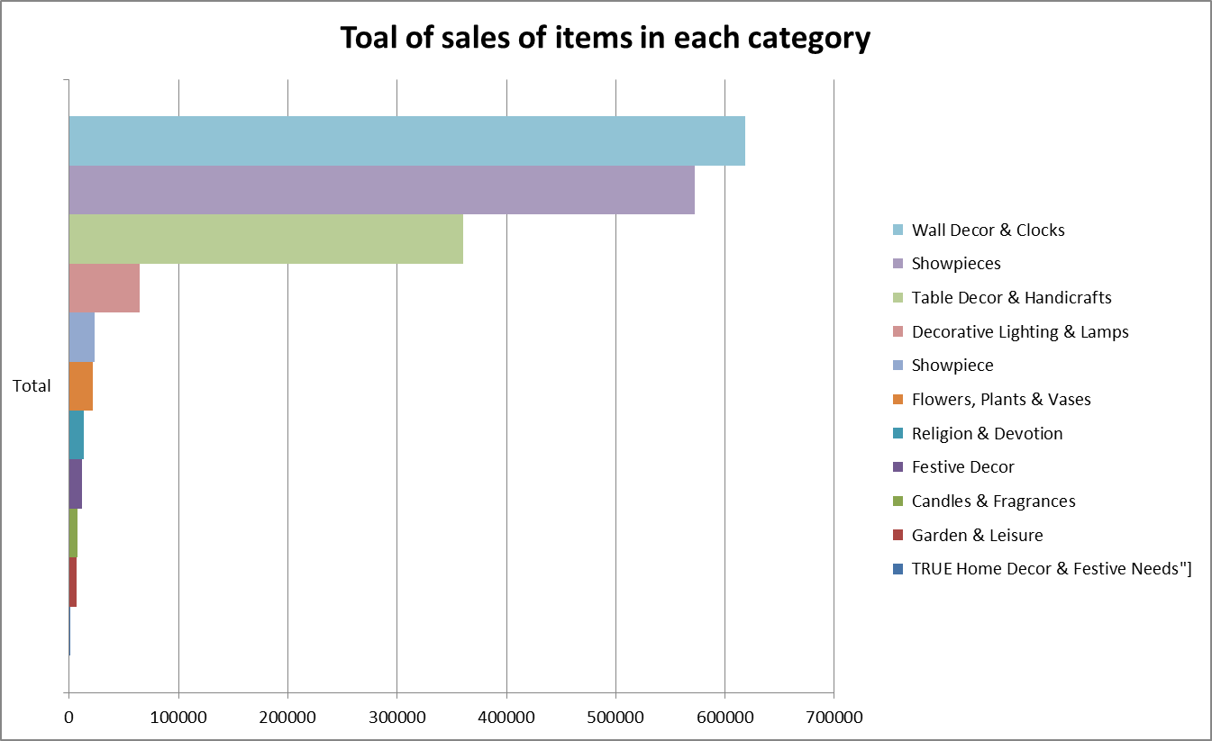

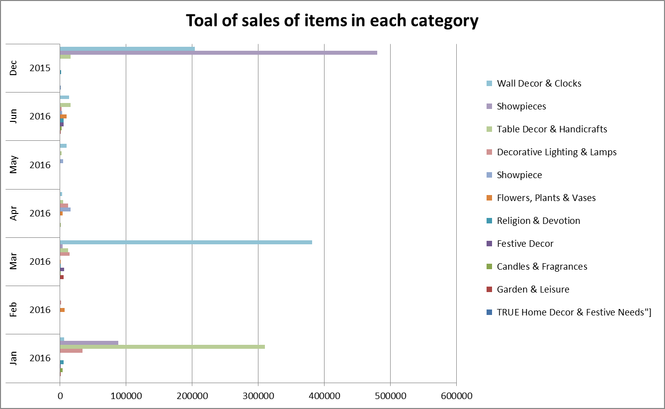

BASED ON MANDALAY DATA

 | 1. The data talks about the home décor furnishing products brought at a supermarket in Mandalay from a period of three months.
 | 2. The general trends shows that females are more intrested in the products than the males.
 | 3. the data shows a steep dip during the time of 2019 Februray, however the profit shows a stable rise over months.
 | 4. 2019 march holds the maximun sales record while february 2019 shows the minimun.

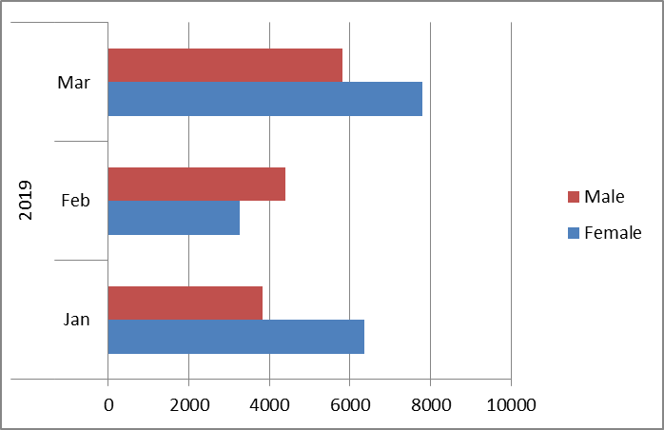
Toal sales and total profit
 | Sum of gross income | Sum of Total
2019 | 484.8165 | 10181.1465
2019 | 364.893 | 7662.753
2019 | 647.658 | 13600.818

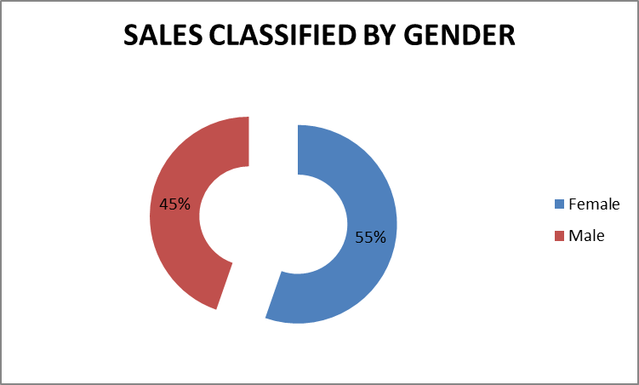

BASED ON INDIA DATA

 | 1. This data talks about the yearly sales home décor products in various states of the indian subcontinent.
 | 2. It is witnessed that the state of Up holds the maximum sales record for the year followed by west bengal.

Individual states contribution in total Sales
 | Sum of Sales
Andaman and Nicobar Islands | 1431975
Andhra Pradesh | 1651090
Assam | 2132990
Bihar | 1568944
Chandigarh | 368116
Chhattisgarh | 1128206
Delhi | 13501
Gujarat | 802382
Himachal Pradesh | 909698
Jammu and Kashmir | 195191
Karnataka | 735474
Kerala | 193030
Maharashtra | 1198549
Meghalaya | 385335
Punjab | 1072346
Rajasthan | 303377
Sikkim | 938919
Tamil Nadu | 2457771
Telangana | 131832
Tripura | 353255
Uttar Pradesh | 5505415
West Bengal | 2231144

india pivot
Individual states contribution in total Sales
Country | (All)

Row Labels | Sum of Sales | Country | Row Labels | Sum of Sales
Andaman and Nicobar Islands | 1431975 | india | Andaman and Nicobar Islands | 1431975
Andhra Pradesh | 1651090 | india | Andhra Pradesh | 1651090
Assam | 2132990 | india | Assam | 2132990
Bihar | 1568944 | india | Bihar | 1568944
Chandigarh | 368116 | india | Chandigarh | 368116
Chhattisgarh | 1128206 | india | Chhattisgarh | 1128206
Delhi | 13501 | india | Delhi | 13501
Gujarat | 802382 | india | Gujarat | 802382
Himachal Pradesh | 909698 | india | Himachal Pradesh | 909698
Jammu and Kashmir | 195191 | india | Jammu and Kashmir | 195191
Karnataka | 735474 | india | Karnataka | 735474
Kerala | 193030 | india | Kerala | 193030
Maharashtra | 1198549 | india | Maharashtra | 1198549
Meghalaya | 385335 | india | Meghalaya | 385335
Punjab | 1072346 | india | Punjab | 1072346
Rajasthan | 303377 | india | Rajasthan | 303377
Sikkim | 938919 | india | Sikkim | 938919
Tamil Nadu | 2457771 | india | Tamil Nadu | 2457771
Telangana | 131832 | india | Telangana | 131832
Tripura | 353255 | india | Tripura | 353255
Uttar Pradesh | 5505415 | india | Uttar Pradesh | 5505415
West Bengal | 2231144 | india | West Bengal | 2231144
Grand Total | 25708540

flipkart data pivot
Sum of discounted_price | Column Labels
Row Labels | TRUE Home Decor & Festive Needs"] | Garden & Leisure | Candles & Fragrances | Festive Decor | Religion & Devotion | Flowers, Plants & Vases | Showpiece | Decorative Lighting & Lamps | Table Decor & Handicrafts | Showpieces | Wall Decor & Clocks | Grand Total
Jan |  | 948 | 4057 | 299 | 5711 |  |  | 33692 | 309682 | 88095 | 5945 | 448429
2016 |  | 948 | 4057 | 299 | 5711 |  |  | 33692 | 309682 | 88095 | 5945 | 448429
Feb |  |  |  |  |  | 7147 |  | 1299 |  |  |  | 8446
2016 |  |  |  |  |  | 7147 |  | 1299 |  |  |  | 8446
Mar |  | 5248 | 575 | 5943 | 780 | 798 |  | 14594 | 12359 | 3821 | 381683 | 425801
2016 |  | 5248 | 575 | 5943 | 780 | 798 |  | 14594 | 12359 | 3821 | 381683 | 425801
Apr |  |  | 825 |  |  | 3561 | 15890 | 12228 | 4250 |  | 3352 | 40106
2016 |  |  | 825 |  |  | 3561 | 15890 | 12228 | 4250 |  | 3352 | 40106
May |  |  |  |  |  |  | 4321 |  | 2597 |  | 10121 | 17039
2016 |  |  |  |  |  |  | 4321 |  | 2597 |  | 10121 | 17039
Jun |  | 499 | 2185 | 5433 | 5401 | 10180 | 3063 | 2418 | 16191 |  | 13585 | 58955
2016 |  | 499 | 2185 | 5433 | 5401 | 10180 | 3063 | 2418 | 16191 |  | 13585 | 58955
Dec | 1098 |  |  |  | 1786 |  |  |  | 15748 | 480342 | 203995 | 702969
2015 | 1098 |  |  |  | 1786 |  |  |  | 15748 | 480342 | 203995 | 702969
Grand Total | 1098 | 6695 | 7642 | 11675 | 13678 | 21686 | 23274 | 64231 | 360827 | 572258 | 618681 | 1701745

Toal of sales of items in each category
 | TRUE Home Decor & Festive Needs"] | Garden & Leisure | Candles & Fragrances | Festive Decor | Religion & Devotion | Flowers, Plants & Vases | Showpiece | Decorative Lighting & Lamps | Table Decor & Handicrafts | Showpieces | Wall Decor & Clocks
2016 |  | 948 | 4057 | 299 | 5711 |  |  | 33692 | 309682 | 88095 | 5945
2016 |  |  |  |  |  | 7147 |  | 1299
2016 |  | 5248 | 575 | 5943 | 780 | 798 |  | 14594 | 12359 | 3821 | 381683
2016 |  |  | 825 |  |  | 3561 | 15890 | 12228 | 4250 |  | 3352
2016 |  |  |  |  |  |  | 4321 |  | 2597 |  | 10121
2016 |  | 499 | 2185 | 5433 | 5401 | 10180 | 3063 | 2418 | 16191 |  | 13585
2015 | 1098 |  |  |  | 1786 |  |  |  | 15748 | 480342 | 203995

mandalay pivot
Row Labels | Sum of gross income | Sum of Total |  | pie chart
Jan | 484.8165 | 10181.1465 | Row Labels | Sum of Total | Sum of gross income
2019 | 484.8165 | 10181.1465 | Jan | 10181.1465 | 484.8165
Feb | 364.893 | 7662.753 | Feb | 7662.753 | 364.893
2019 | 364.893 | 7662.753 | Mar | 13600.818 | 647.658
Mar | 647.658 | 13600.818 | Grand Total | 31444.7175 | 1497.3675
2019 | 647.658 | 13600.818
Toal sales and total profit
Grand Total | 1497.3675 | 31444.7175

global data pivot
Global sales
 | Total
Jan | 4254
Feb | 4342
Mar | 4330
Apr | 4359
May | 4331
Jun | 4401
Jul | 4368
Aug | 4372
Sep | 4345
Oct | 4299
Nov | 4368
Dec | 4428
Jan | 4637
Feb | 4507
Mar | 4463
Apr | 4564
May | 4642
Jun | 4609
Jul | 4640
Aug | 4645
Sep | 4640
Oct | 4663
Nov | 4693
Dec | 4693
Jan | 4571
Feb | 4775
Mar | 4910
Apr | 4916
May | 4971
Jun | 5018
Jul | 5046
Aug | 5165
Sep | 5177
Oct | 5260
Nov | 5199
Dec | 5254
Jan | 5265
Feb | 5081
Mar | 5130
Apr | 5181
May | 5216
Jun | 5217
Jul | 5318
Aug | 5304
Sep | 5407
Oct | 5429
Nov | 5516
Dec | 5445
Jan | 5302
Feb | 5346
...
Row Labels | Sum of Advance Retail Sales: Furniture and Home Furnishings Stores ( in millions)
1992
Jan | 4254
Feb | 4342
Mar | 4330
Apr | 4359
May | 4331
Jun | 4401
Jul | 4368
Aug | 4372
Sep | 4345
Oct | 4299
Nov | 4368
Dec | 4428
1993
Jan | 4637
Feb | 4507
Mar | 4463
Apr | 4564
May | 4642
Jun | 4609
Jul | 4640
Aug | 4645
Sep | 4640
Oct | 4663
Nov | 4693
Dec | 4693
1994
Jan | 4571
Feb | 4775
Mar | 4910
Apr | 4916
May | 4971
Jun | 5018
Jul | 5046
Aug | 5165
Sep | 5177
Oct | 5260
Nov | 5199
Dec | 5254
1995
Jan | 5265
Feb | 5081
Mar | 5130
Apr | 5181
May | 5216
Jun | 5217
Jul | 5318
Aug | 5304
Sep | 5407
Oct | 5429
Nov | 5516
Dec | 5445
1996
Jan | 5302
Feb | 5346
Mar | 5566
Apr | 5595
May | 5586
Jun | 5678
Jul | 5696
Aug | 5655
Sep | 5762
Oct | 5779
Nov | 5768
Dec | 5746
1997
Jan | 5823
Feb | 5847
Mar | 5916
Apr | 5968
May | 6004
Jun | 6034
Jul | 6039
Aug | 6146
Sep | 6162
Oct | 6154
Nov | 6267
Dec | 6290
1998
Jan | 6377
Feb | 6342
Mar | 6340
Apr | 6369
May | 6359
Jun | 6426
Jul | 6447
Aug | 6444
Sep | 6419
Oct | 6504
Nov | 6666
Dec | 6687
1999
Jan | 6617
Feb | 6767
Mar | 6831
Apr | 6794
May | 6884
Jun | 6986
Jul | 6954
Aug | 7147
Sep | 7292
Oct | 7324
Nov | 7272
Dec | 7246
2000
Jan | 7484
Feb | 7548
Mar | 7599
Apr | 7729
May | 7673
Jun | 7593
Jul | 7748
Aug | 7682
Sep | 7665
Oct | 7737
Nov | 7580
Dec | 7160
2001
Jan | 7764
Feb | 7611
Mar | 7549
Apr | 7560
May | 7559
Jun | 7613
Jul | 7671
Aug | 7628
Sep | 7419
Oct | 7543
Nov | 7694
Dec | 7869
2002
Jan | 7847
Feb | 7932
Mar | 7936
Apr | 7874
May | 7959
Jun | 7831
Jul | 7741
Aug | 7837
Sep | 7832
Oct | 7789
Nov | 7963
Dec | 7927
2003
Jan | 7824
Feb | 7501
Mar | 7854
Apr | 7895
May | 8062
Jun | 8084
Jul | 8115
Aug | 8156
Sep | 8214
Oct | 8244
Nov | 8358
Dec | 8312
2004
Jan | 8307
Feb | 8375
Mar | 8585
Apr | 8519
May | 8389
Jun | 8572
Jul | 8868
Aug | 8675
Sep | 8604
Oct | 8806
Nov | 8722
Dec | 8905
2005
Jan | 8856
Feb | 8908
Mar | 8840
Apr | 8994
May | 8963
Jun | 9093
Jul | 9084
Aug | 9193
Sep | 9244
Oct | 9315
Nov | 9319
Dec | 9260
2006
Jan | 9561
Feb | 9439
Mar | 9431
Apr | 9402
May | 9368
Jun | 9485
Jul | 9442
Aug | 9422
Sep | 9549
Oct | 9375
Nov | 9311
Dec | 9334
2007
Jan | 9609
Feb | 9369
Mar | 9406
Apr | 9430
May | 9331
Jun | 9264
Jul | 9315
Aug | 9300
Sep | 9141
Oct | 9142
Nov | 9094
Dec | 9009
2008
Jan | 8873
Feb | 8594
Mar | 8631
Apr | 8606
May | 8587
Jun | 8473
Jul | 8369
Aug | 8154
Sep | 7722
Oct | 7735
Nov | 7640
Dec | 7460
2009
Jan | 7363
Feb | 7285
Mar | 7041
Apr | 7067
May | 7087
Jun | 7092
Jul | 7039
Aug | 6991
Sep | 6981
Oct | 6915
Nov | 6991
Dec | 7024
2010
Jan | 7011
Feb | 7123
Mar | 7235
Apr | 7121
May | 7117
Jun | 7072
Jul | 7094
Aug | 7130
Sep | 7108
Oct | 7039
Nov | 7104
Dec | 7062
2011
Jan | 6992
Feb | 7145
Mar | 7397
Apr | 7321
May | 7245
Jun | 7227
Jul | 7263
Aug | 7333
Sep | 7384
Oct | 7303
Nov | 7385
Dec | 7530
2012
Jan | 7637
Feb | 7627
Mar | 7587
Apr | 7510
May | 7645
Jun | 7552
Jul | 7650
Aug | 7600
Sep | 7614
Oct | 7416
Nov | 7641
Dec | 7959
2013
Jan | 7906
Feb | 7850
Mar | 7851
Apr | 7814
May | 7733
Jun | 7956
Jul | 7937
Aug | 7982
Sep | 8041
Oct | 8140
Nov | 8202
Dec | 7913
2014
Jan | 7751
Feb | 8048
Mar | 8186
Apr | 8297
May | 8276
Jun | 8287
Jul | 8312
Aug | 8447
Sep | 8396
Oct | 8407
Nov | 8524
Dec | 8656
2015
Jan | 8619
Feb | 8424
Mar | 8677
Apr | 8788
May | 8965
Jun | 8796
Jul | 8940
Aug | 8977
Sep | 8958
Oct | 9036
Nov | 9036
Dec | 9227
2016
Jan | 9093
Feb | 9134
Mar | 9085
Apr | 9068
May | 9116
Jun | 9262
Jul | 9194
Aug | 9172
Sep | 9376
Oct | 9225
Nov | 9186
Dec | 9111
2017
Jan | 9307
Feb | 9322
Mar | 9373
Apr | 9266
May | 9329
Jun | 9381
Jul | 9347
Aug | 9420
Sep | 9368
Oct | 9614
Nov | 9719
Dec | 9723
2018
Jan | 9619
Feb | 9686
Mar | 9753
Apr | 9941
May | 9802
Jun | 9810
Jul | 9848
Aug | 9732
Sep | 9729
Oct | 9739
Nov | 9706
Dec | 9660
2019
Jan | 9535
Feb | 9651
Mar | 9787
Apr | 9853
May | 9872
Jun | 9895
Jul | 9895
Aug | 9852
Sep | 9938
Oct | 9857
Nov | 9946
Dec | 9789
2020
Jan | 10161
Feb | 10111
Mar | 7921
Apr | 4034
May | 7143
Jun | 9930
Jul | 10143
Aug | 10388
Sep | 10403
Oct | 10382
Nov | 10208
Dec | 10136
2021
Jan | 11521
Feb | 10985
Mar | 11629
Grand Total | 2696112

